KM summaries from plots
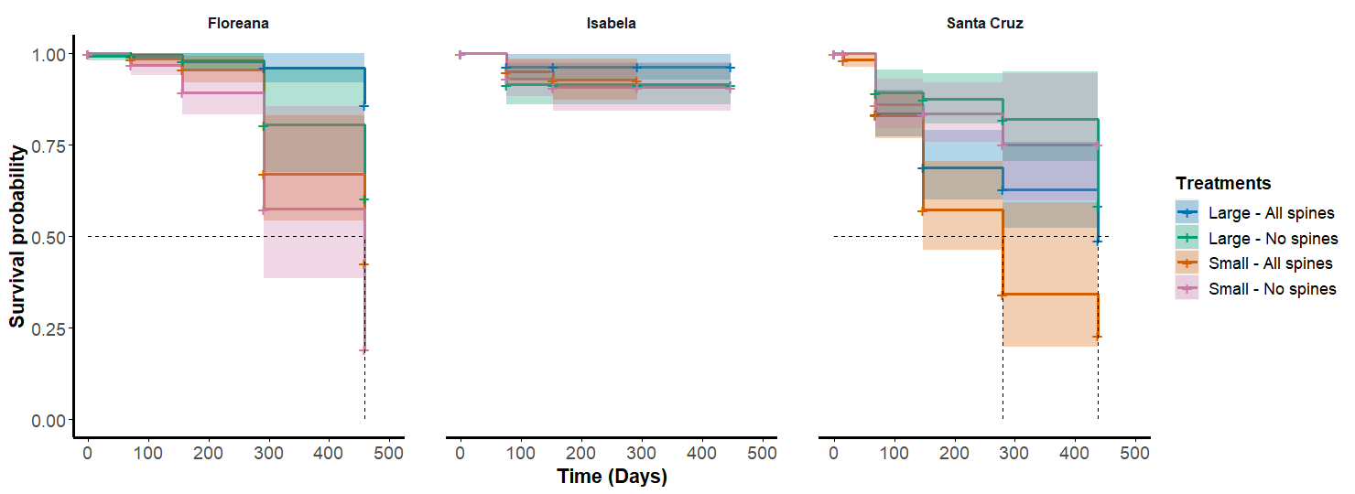
Floreana KM eaten |  |  |  |  |  |  | Floreana KM missing
Size | Treatment | n | events | median (days) | lowe_int | upper_int | Size | Treatment | n | events | median (days) | lowe_int | upper_int
Large | All spines | 408 | 6 | NA | NA | NA | Large | All spines | 700 | 411 | 156 | 156 | 292
Large | No spines | 344 | 9 | NA | 458 | NA | Large | No spines | 700 | 344 | 458 | 292 | NA
Small | All spines | 396 | 21 | 458 | 458 | NA | Small | All spines | 700 | 396 | 156 | 156 | 292
Small | No spines | 359 | 18 | 458 | 292 | NA | Small | No spines | 700 | 359 | 292 | 156 | NA

Isabela KM eaten |  |  |  |  |  |  | Isabela KM missing
Size | Treatment | n | events | median (days) | lowe_int | upper_int | Size | Treatment | n | events | median (days) | lowe_int | upper_int
Large | All spines | 235 | 4 | NA | NA | NA | Large | All spines | 400 | 236 | 152 | 75 | 152
Large | No spines | 219 | 8 | NA | NA | NA | Large | No spines | 400 | 219 | 152 | 152 | 447
Small | All spines | 316 | 8 | NA | NA | NA | Small | All spines | 500 | 316 | 75 | 75 | 75
Small | No spines | 277 | 8 | NA | NA | NA | Small | No spines | 500 | 278 | 152 | 75 | 152

Santa Cruz KM eaten |  |  |  |  |  |  | Santa Cruz KM missing
Size | Treatment | n | events | median (days) | lowe_int | upper_int | Size | Treatment | n | events | median (days) | lowe_int | upper_int
Large | All spines | 333 | 37 | 437 | 437 | NA | Large | All spines | 450 | 333 | 68 | 68 | 68
Large | No spines | 301 | 15 | NA | 437 | NA | Large | No spines | 450 | 301 | 68 | 68 | 68
Small | All spines | 322 | 41 | 279 | 147 | NA | Small | All spines | 450 | 322 | 68 | 68 | 68
Small | No spines | 299 | 16 | NA | NA | NA | Small | No spines | 450 | 299 | 68 | 68 | 68

Eaten n are basically the present mericarps or the number of events in the missing table
Median in days are defined based on the events however, it seems some are not estimated

